HOW_TO_USE
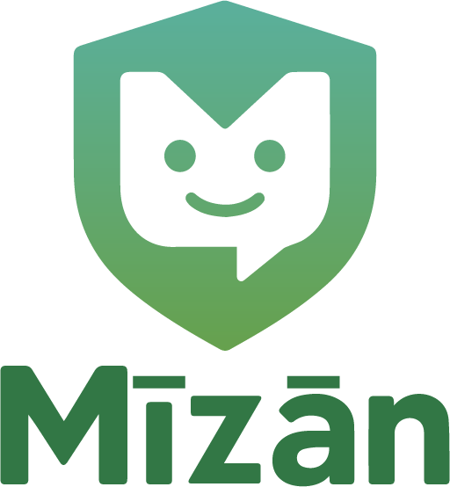
Section | Guidance
Purpose | Give SMEs a pragmatic starting point for net‑zero, ops data, and compliance.
Quick start | Start with NetZero_Inventory (activity × EF). Use EF_SME_TABLE to look up factors. Compliance_Calendar tracks obligations.

Mīzān Website | https://mizan-ai.com/
Mīzān AI Platform | https://mizan-ai.com/

